IP fragmentation
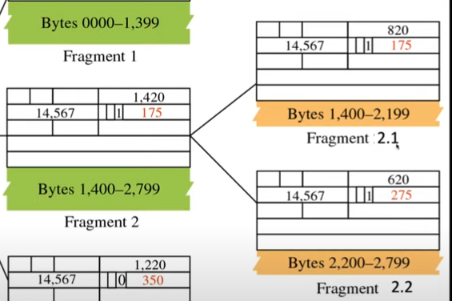
Length | Remaining | ID | MF Flag | Offset | MTU | Size | ID | Data = size - IP header
1500 | 4000 | x | 1 | 0 | 1500 | 4000 | x | 3980
1500 | 2500 | x | 1 | 185
1500 | 1000 | x | 0 | 370

Length | Remaining | ID | MF Flag | Offset | MTU | Size | ID | Data = size - IP header
1500 | 5540 | 2222 | 1 | 0 | 1500 | 5540 | 2222 | 5520
1500 | 4040 | 2222 | 1 | 185
1500 | 2540 | 2222 | 1 | 370
1500 | 1040 | 2222 | 0 | 555 |  |  |  | http://fixmycode.github.io/IPFCalc/
0 | 0

